Test case template
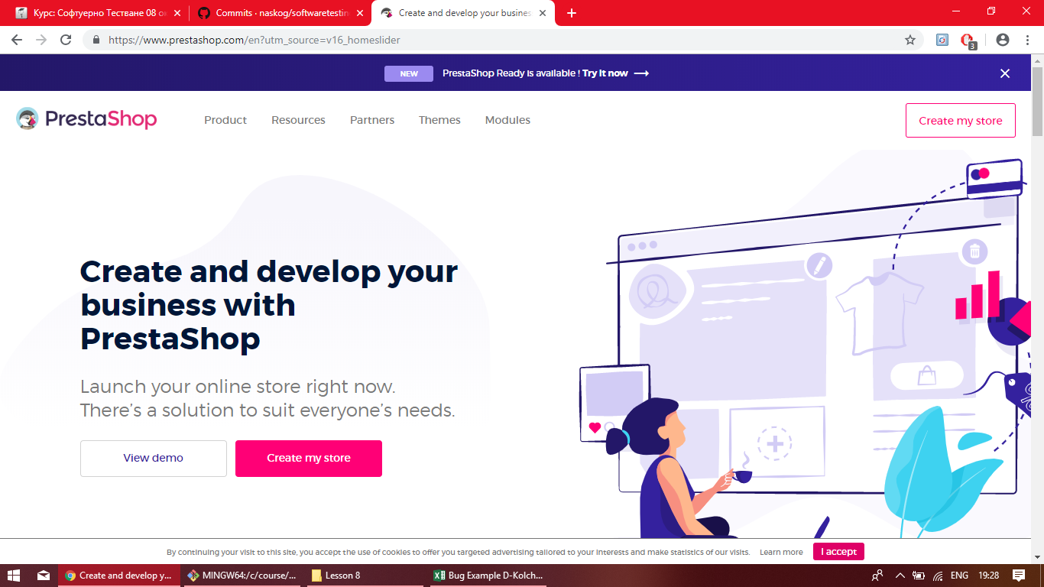
Център за обучение по софтуерно тестване Website: http://skillo-bg.com

Bug ID | PSB001
Name | Shop Now Button redirect to other site
Priority | P1
Severity | S1
Description | The button SHOP NOW redirect us to other site - https://www.prestashop.com/en?utm_source=v16_homeslider
Steps to reproduce | 1. Load http://automationpractice.com 2. Click on white button SHOP NOW on the left side on the screen Expected result: Load page screen where we can shop dreses Actual result: Redirect us to other site - https://www.prestashop.com/en?utm_source=v16_homeslider
Attachment | Picture added
Status | New bug hav to be fixed
Component | Shop Now Button
Version/Build number (Found in) | 3.4
Environment | Chrome browser
Comments | -
Date Created | 31-Oct-18
Author | Dimitar Kolchev
Audit Log | Dimitar Kolchev 31.10.2018 19:33ч

